Sheet1
4.1 Cancellation Terminal -> Central

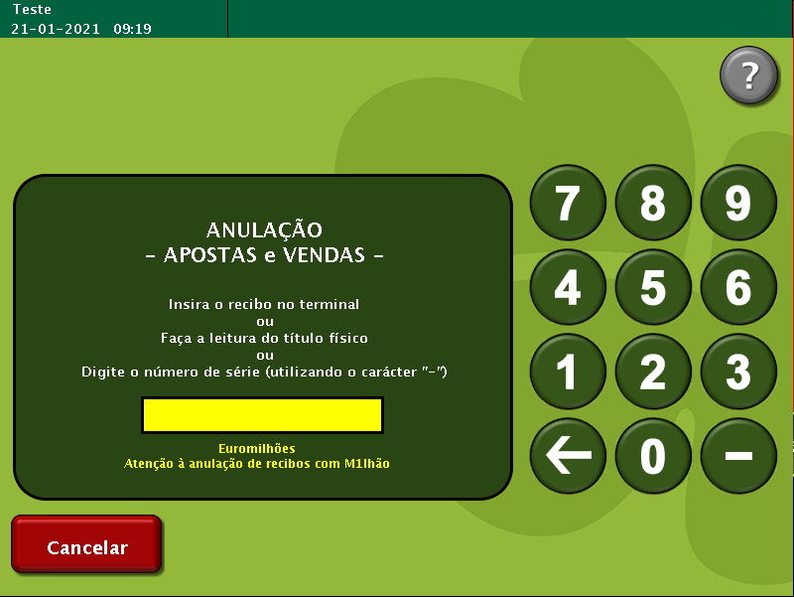
TestByte |  | Size | Field Contents
Start | End
1 | 1 | 1 | Control | Sequence
2 | 2 | 1 | Type = 2 | Subtype = n
3 | 4 | 2 | Checksum
5 | 5 | 1 | Statistics (see below)
6 | 7 | 2 | Wager Julian Date
8 | 10 | 3 | Wager Serial Number
11 | 11 | 1 | Wager Check Digits

Statistics Flags:

x00 | = | Manual Entry
x40 | = | Reader Entry

4.2 Cancellation No error Central -> Terminal

TestByte |  | Size | Field Contents
Start | End
1 | 1 | 1 | Control | Sequence
2 | 2 | 1 | Type = 2 | Subtype = 0
3 | 4 | 2 | Checksum
5 | 7 | 3 | Time
8 | 10 | 3 | Cancellation Serial Number
11 | 11 | 1 | Cancellation Check Digits
12 | 12 | 1 | Game Type
13 | 13 | 1 | Game Index
14 | 14 | 1 | Cancel Status = 0
15 | 18 | 4 | Cancel Amount (Wager Units)
19 | 19 | 1 | Monday Draw Indicator

Monday draw indicator ( Only for lotto wagers, otherwise sends 0 ):

0 – does not participate in Monday draw
1 – participate in Monday draw
 |  |  |  |  |  | JJJ - Julian Date | NNNNNNNN - Serial Number |  | KKK - Check Digits
 |  |  |  |  |  | 21 |  | 16540909 | 76
4.3 Cancellation error Central -> Terminal
 |  |  |  |  |  | JJJ-NNNNNNNN-KKK
TestByte |  | Size | Field Contents |  |  | 021-16540909-076
Start | End
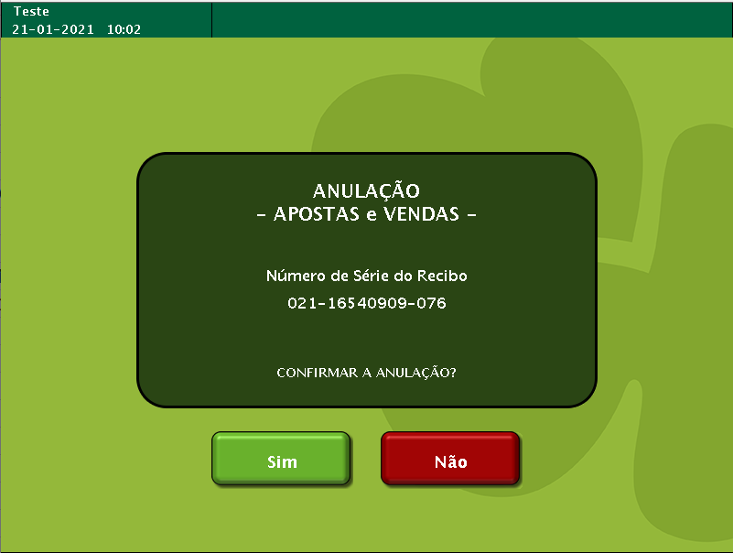
1 | 1 | 1 | Control | Sequence
2 | 2 | 1 | Type = 2 | Subtype = F | 2F
3 | 4 | 2 | Checksum
5 | 7 | 3 | Time
8 | 10 | 3 | Cancellation Serial Number
11 | 11 | 1 | Cancellation Check Digits
12 | 12 | 1 | Game Type
13 | 13 | 1 | Game Index
14 | 14 | 1 | Cancel Status = see below

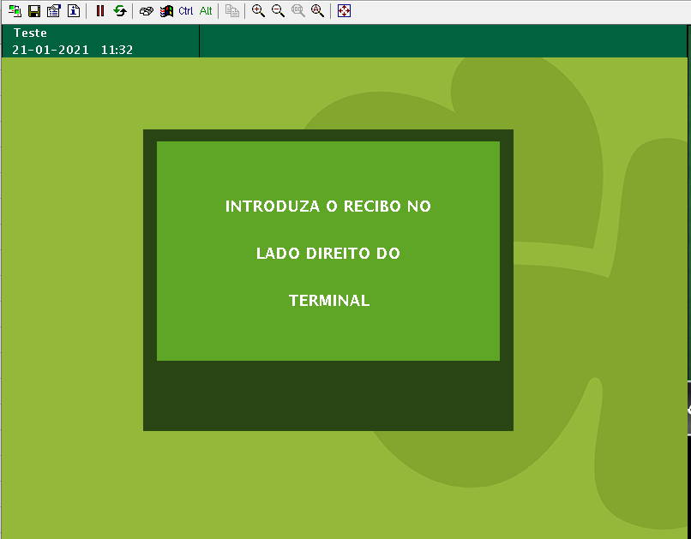

 |  |  |  |  |  | tl_t_wager
 |  |  |  |  |  | tl_t_wager_detail
 |  |  |  |  |  | ha_t_ctrl_millennium
 |  |  |  |  |  | ha_t_config

